Sheet1
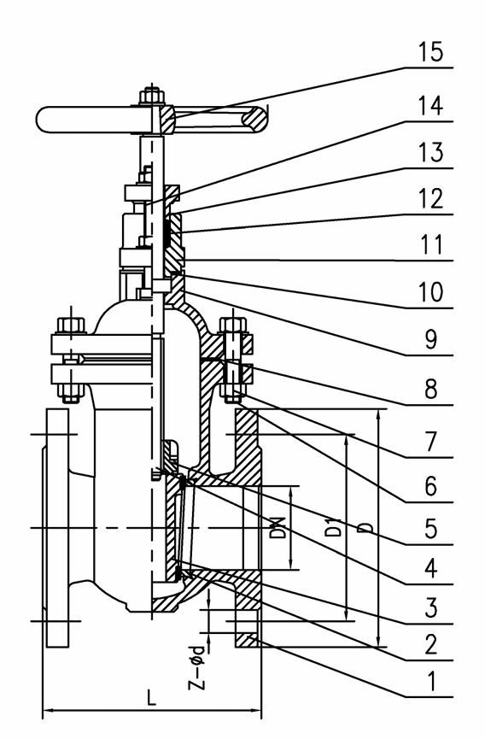

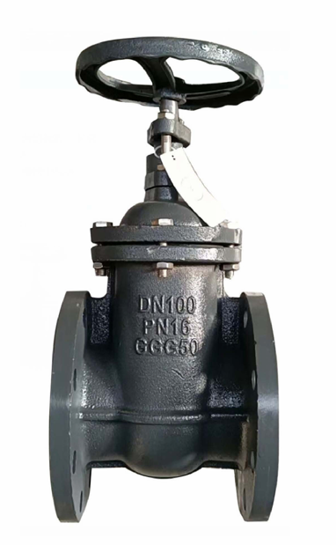
 |  |  |  |  |  | NORMAL PRESSURE |  |  | PN10/16
 |  |  |  |  |  | SHELL TEST PRESSURE |  |  | 1.5/2.4 | Mpa
 |  |  |  |  |  | SEAL TEST PRESSURE |  |  | 1.1/1.76
 |  |  |  |  |  | Working Temperature -10~150˚C

 |  |  |  |  |  | NO | NAME | MATERIAL
 |  |  |  |  |  | 1 | BODY | DI
 |  |  |  |  |  | 2 | SEAT | BRASS
 |  |  |  |  |  | 3 | DISC | DI+BRASS
 |  |  |  |  |  | 4 | STEM | SS410
 |  |  |  |  |  | 5 | STEM NUT | BRASS
 |  |  |  |  |  | 6 | BOLT | CS
 |  |  |  |  |  | 7 | NUT | CS
 |  |  |  |  |  | 8 | GASKET | GRAPHITE
 |  |  |  |  |  | 9 | BONNET | DI
 |  |  |  |  |  | 10 | GASKET | GRAPHITE
 |  |  |  |  |  | 11 | STUFFING | DI
 |  |  |  |  |  | 12 | PACKING | GRAPHITE
 |  |  |  |  |  | 13 | GLAND | DI
 |  |  |  |  |  | 14 | BOLT | CS
 |  |  |  |  |  | 15 | WHEEL | CI

DN | L | D | D1 | Z-Ød | TH
50 | 150 | 165 | 125 | 4_19 | 19
65 | 170 | 185 | 145 | 4_19 | 20
80 | 180 | 200 | 160 | 8_19 | 20
100 | 190 | 220 | 180 | 8_19 | 21
125 | 200 | 250 | 210 | 8_19 | 24
150 | 210 | 285 | 240 | 8_23 | 22
200 | 230 | 340 | 295 | 8/12_23 | 23
250 | 250 | 405 | 350/355 | 12_23/27 | 26
300 | 270 | 460 | 400/410 | 12_23/27 | 26

